Elizabeth
 |  | REPLY TEMPLATE

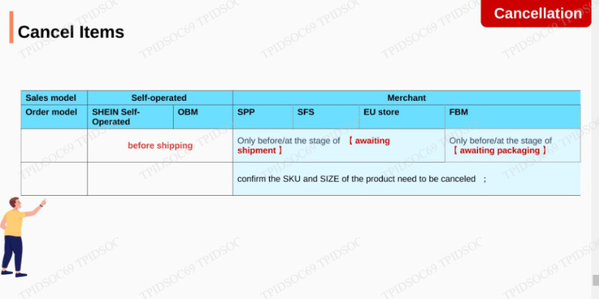
GREETINGS | Hello! Welcome to SHEIN US Customer Service. Thank you for reaching out to us. Elizabeth here, and I'm ready to assist you 🙌😊 |  | NOTES:
 | Hello! Welcome to SHEIN US Customer Service. We're glad you decided to contact us. Elizabeth here, and I'm ready to assist you 🙌😊 |  | CASE2 TRANSFER KE T2 AND T3
 |  |  | TF T2
APOLOGIZE / EMPATHY | We truly apologize for this inconvenience in regard to your order |  | GANTI PASSWORD
 | I can totally understand how frustating that was |  | CX COMPLAIN NON-INTIMATE GOODS (BOTOL DLL)
 | I completely understand how frustating that was |  | CX COMPLAIN BARANG TERKAIT BAU, ADA HAL2 GK NYAMAN
 |  |  | MISSING 1 ITEM OR SEVERAL ITEMS
ASK CX TO WAIT FOR A MINUTE | Would you mind waiting for 1-2 minutes while I'm checking it for you? |  | BLACKLISTED CX
 | Please kindly wait for about 1-2 minutes while I'm checking it for you |  | TF 3
 |  |  | THREAT
CONFIRM ORDER OR PARCEL NUMBER | Thank you for your patience in waiting. Let me confirm that your order number is [.....], is that accurate? |  | BAWA2 BADAN HUKUM
 | Thank you for your patience in waiting. Let me confirm that your parcel number is [.....], is it correct? |  | CX COMPLAIN ADA BARANG ANEH DLM PRODUCT
 |  |  | BARANG YG DIORDER NAMPAK SDH DIPAKAI (USED GOODS) -- INTIMATE APPAREL (SWIMWEAR DLL)
CLOSING STATEMENT | Is there anything else that we can assist you? | Since the issue has been solved, this chat will be closed automatically | Thank you for your understanding and support. Please do not hesitate to contact us again if you have any further inquiries to get a better a shopping experience😊. Have a nice day!
 |  |  | REFUND TIME FRAME | (1) Original account ● 【Paypal】【PayPal-card/Venmo】【Klarna】： 4-7 days （2-5 business days）（Klarna：Refunds can only be sent back to the original payment account） ● 【Ayden】： 7-18 days （7-14 business days） (Adyen-affirm Refunds can only be sent back to the original payment account） ● 【Afterpay】: 1-4 days ( 1-2 business days) （Refunds can only be sent back to the original payment account） ●【 Afterpay-Cash APP 】: 2-14 days ( 2-10 business days) (Refunds can only be sent back to the original payment account） ●【CheckOut】: 4-10 days ( 4-6 business days) ● 【Worldpay】/【JPMchase】: 10-18 days (7-14 business days) ● 【Strip】: 5-12 days (5-10 business days) ● 【ZIP-Quadpay】: 7-13 days (7-10 business days) ●【Nuvei】: 4-9 days ( 2-7 business days) (2) Website path ● SHEIN Wallet: 24 hours ● SHEIN Gift Card: 24 hours | SPEEDX: (1)5595500518, Phone: (800) 658-4192 |  |  | 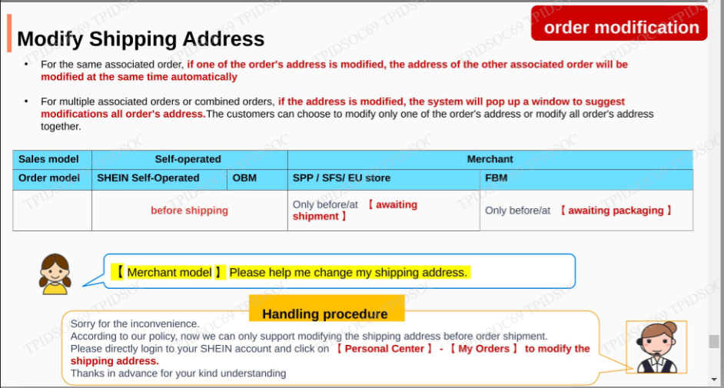 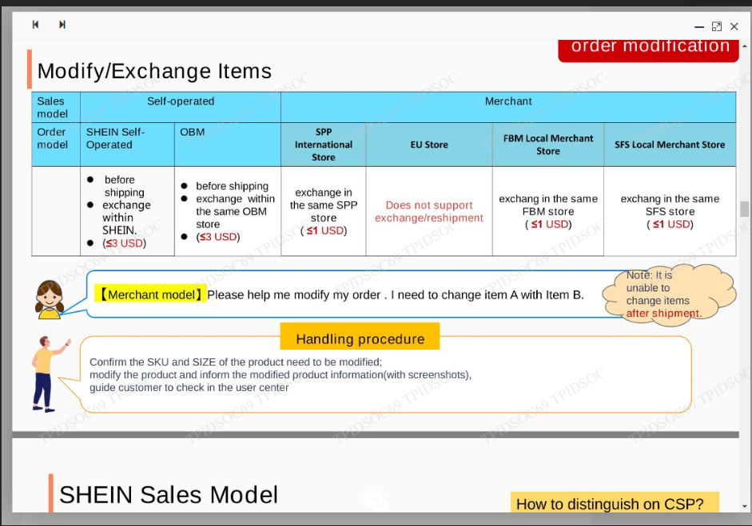
 | EXPLANATION
 | CASE | SUB-CASE | REPLY
 | MODIFY | ADDRESS | We are really sorry that we are not allowed to modify your address from our side due to privacy concerns & policy. | KLO RE DELIVERY, EDUKASI CX ETA DI CSP, JGN DI LOGISTIC WEB. KLO MISAL DI CSP ATAS SDH EXCEED, PAKAI YG LOGO TRUCK. TAMBAHIN KONTAK KE LOGISTIC COMPANY
 |  |  | But you can change your address in the User Centre: [My Orders] - [Order Details] - [Edit Shipping Address]. Please fill in the address information accurately so that you can receive your order properly.
 |  |  | You can also click the following link to enter the address modification page: https://us.shein.com/user/orders/detail/[order number]
 |  | CAN'T MODIFY ADDRESS (ALREADY SHIPPED) | We apologize to inform you our system does not support modifying the address since your order has already been shipped out to your address. We suggest that you receive the package at the address that you input on your SHEIN account or wait for the package to be shipped back to us and we will provide you with further assistance. | Upon checking, we can inform you that here's the last update for your order status based on logistic website
 |  | CANCEL ITEM | We are taking care of your request to cancel your order, and we have done our best. Afterward, we are pleased to inform you that your refund has been successfully submitted to your original payment. After the refund is completed, you will receive a refund email and you can view the detailed refund arrangement information in the email. Below are the details: Total Refund Amount:USDXXX Refund Arrival Time: XXX business days to your original payment account
 |  | CAN'T CANCEL ITEM | Unfortunately, we are unable to cancel the package since your order has been shipped out to your address. We suggest you to wait until the package is delivered to you, then you can process a return for a refund.
 |  | CAN'T ADD ITEM (ALREADY PROCESSING/SHIPPED) | We apologize to inform you that we cannot add items to your order. We suggest you cancel this order and place a new order. We hope for your kind understanding regarding this matter.
 |  | CAN'T CHANGE ITEM | Upon checking on our system, we found that your order is already shipped out to your address. Therefore, it is no longer possible for us to change the size in your order. We suggest you wait until the package is delivered to you then you can process a return for an exchange afterward.
 |  | CHANGE SHIPPING METHOD | We apologize to inform you that we cannot change the shipping method since your order has already been shipped out to your address. You can only select the shipping method at the beginning of the order process.
 |  |  | We apologize to inform you that the system does not support to change the shipping method. Please make a new order and choose standard shipping method
 | TAX INVOICE | CAN GIVE TAX INVOICE | We would be delighted to provide you with the invoice for order number . You can check the invoice attached below.
 |  | CAN'T GIVE TAX INVOICE (STILL PROCESSED AT THE WAREHOUSE) | Are you referring to this order number [...]? Currently, your package is still processed at our warehouse and the invoice hasn't been issued for this order. Please do not worry, you can contact us back once the package is shipped so we can send you the invoice.
 | RETURN TO SENDER (RTS) |  | After we checked, the package was returned to the sender on **. In that case, we would like to inform you that we have assisted in submitting a refund application and the refund request is now being processed. Once the refund is completed, you will receive a refund email confirmation. Here are the details: Refund amount: * Refund timeframe: ** business days Refund Path: Original payment account
 | SPECIAL ORDER | URGE / RUSH / EXPEDITE | We’d like to inform you that the estimated arrival date for your package is ***. However, we have notified our logistics department to expedite and prioritize the items processing of your order. We cannot guarantee that the package will arrive at the specified time that you requested but we hope it will arrive sooner than the estimated date.
 |  | CAN'T URGE / RUSH / EXPEDITE | Apologize to inform you that currently, we cannot expedite your order since it is now being shipped to your address. Please wait for the package until max ***. We do hope that it will arrive sooner than the estimated date. For your next order, we suggest you request it right after you make an order so we can expedite and prioritize the package.
 |  | COMBINE SHIPMENT | We do sorry to inform you that we cannot combine 2 packages into 1 box because the shipping of the order is based on the delivery warehouse and stocking time. Your packages are shipped from Guangzhou warehouse and US east warehouse so we cannot put them in 1 box.
 | TF T2 |  | Apologize for the inconvenience. In order to provide you with a better service, please allow us to forward the report to the corresponding department, please stay on the line.
 | TF T3 |  | Apologize for the inconvenience. In order to provide you with a better service, please allow us to forward the report to the relevant department. Rest assured that you will be replied as soon as possible within 24 hours.
 | DBNR | EXCEED 45 DAYS (CAN'T REFUND / DBNR FAILED) | After verification, we are sorry to inform you. The order you feedback has exceeded the time limits on our website, we cannot assist further.
 |  | DELIVERED BUT HAS SIGNED | We regrettably inform you that the investigation of your package marked this order as successfully delivered to your address.
 |  |  | We suggest you contact directly to logistics partner or local courier responsible to deliver your package to your address:
 |  |  | LOGISTICS COMPANY NAME:
 |  |  | LOGISTICS NUMBER:
 |  |  | LOGISTICS LINK:
 |  |  | Moreover, we recommend you to check your surrounding area near your residence or asking your household members and neighbors if they have received the package.
 | OUT OF STOCK |  | Upon verification, it has been found that product XX is temporarily out of stock, and we truly apologize for the inconvenience this may cause you. To solve this problem as quickly as possible, you may choose to continue waiting for the item to be restocked, apply for a refund for the item, or replace it with another item.
 |  | IF THERE'S ANOTHER PACKAGE | If needed, we can help prioritize the shipment of other items ready to be shipped
 | SOLD OUT |  | Regrettably, we have to inform you that the item you want it skuXXXX was sold out and the warehouse will not restock in the short term. So we wil submit your order to refund.
 | OFFER REFUND |  | We do apologize for the inconvenience, we have raised this issue to our corresponding department. And in order to solve your problem we would advise you to have your order refunded?
 |  |  | We do apologize for the inconvenience. Since your package has exceeded the shipping timeframe and we are not able to get more details regarding your shipping details, we would advise you to have your order refunded.
 | DBNR | BEFORE ETA+7 | We sincerely apologize to hear that your parcel is delayed. We would like to inform you that the shipping company has been notified about the shipping issue and last update from (Shipping company name), your package is in transit with the following details: [DALAM LOGO WORLWIDE, COPY AJA] Order status: Shipped Time: Estimated Time Arrival: Tracking number: Tracking link:
 |  |  | As confirmed, our delivery partner is currently experiencing high volumes, which has impacted on their delivery times. We sincerely apologize to hear that your parcel is delayed.
 |  |  | We need to investigate the issue since this will be feedback for both parties to avoid the same issue in the future. Please give us time to locate the package until ETA+7.
 |  |  | While we strive to ensure timely deliveries, we cannot guarantee a specific delivery date, even with express shipping. The delivery timeline can be influenced by various factors, including carrier delays, customs clearance, and unforeseen circumstances.
 | CX ENTANGLED (SAMPE 3 KALI) |  | We are really sorry for the trouble this has caused you. We very much understand your concerns and needs, but based on the current situation, we have tried our best to provide you with the support and solutions you need. Unfortunately, we are unable continue to provide you with better solutions at this stage to meet your needs. If you have other related questions or need help, we will do our best to assist you and strive to provide appropriate solutions. Thank you for your tolerance and understanding. I wish you all the best
 | DBNR REFUND SUCCESS | We sincerely apologize for the inconvenience you've experienced regarding your package. | According to the information from the shipping company, your package was marked as delivered by our logistics partner. However, since you haven't received it, we acknowledge that there's an issue that needs immediate attention. | To resolve it as quickly as possible, we have given you priority to proceed refund of the details below: Refund amount: XXX. Refund path: original payment account. Refund timeframe: xx-xx business days. | Once the refund has been completed, you will receive a refund email, which can be viewed with detailed refund information.
 | EXCHANGE ORDER PRE-SHIPMENT | (1ST SCENARIO SUPPORTED- choose one of them)
 |  | Upon checking, your exchange request is supported, we will exchange this previous item/color/size:
 |  | SKU:
 |  | Product Name:
 |  | Color:
 |  | Size:

 |  | Exchange to the new item/color/size of below product details:
 |  | SKU:
 |  | Product Name:
 |  | Color:
 |  | Size:

 |  | Now we will process with your new exchanged order to be delivered, and your order [Package/order number] will be shipped soon after our warehouse team completed to pack your new exchanged product carefully and dispatch it to our logistics company partner.
 |  | Here we provided you with the estimated time arrival of your package:
 |  | Order status:
 |  | Estimated time arrival:

 |  | (2ND SCENARIO NOT SUPPORTED- choose one of them)
 |  | Let me confirm that the SKU of your original item is [.....], is that accurate? | To proceed your exhange request, please provide these following list: | Please note that we can exchange it for another item with a sales price difference of up to $1. For multiple item exchanges, the sales price difference for each item must be within $1, and the total sales price difference must not exceed $5, and please make sure that the new product you want to exchange must be in the same store of the product in your current original order. | Upon checking, your exchange request did not support due to price different of product between [SKU original order] & [SKU new product] is not meet the price difference $1 for each item, and $5 for the accumulation of multiple exchange criteria. | Upon checking, your exchange request did not support due to price different of product between [SKU original order] & [SKU new product] is not meet the price difference $1 for each item with the price different accounted to[..]
 |  | Given the recent circumstances, we would like to offer you with two options: | SKU excahnge new item number:
 |  | 1. Retain the Original Order: If you would like to proceed with the original order, please let us know and we will continue to process it as planned. | Size:
 |  | 2. Cancel the Order: If you prefer to cancel the order, please confirm your decision and we will initiate a refund process. | Once we have this information, we can confirm the availability of the replacement item and provide you with further instructions.
 |  | We hope this policy is flexible enough to accommodate your needs. We are committed to providing excellent customer service and appreciate your continued support and trust.
 |  | KALO MINTA CANCEL | We are taking care of your request to cancel your order, and we have done our best. Afterward, we are pleased to inform you that your refund has been successfully submitted to your original payment, with the following details: | SURUH CEK CONFIRM DI EMAIL
 |  |  | Total Refund Amount:
 |  |  | Refund Arrival Time:
 | REDELIVERY | Upon checking, according to the last update on the shipping website, your package is still in shipping, but the shipping company has encountered difficulty accessing the delivery location | The logistic company will reschedule to redelivery your package on December 6, 2024 | Here's the proof | It would be greatly appreciated if you could contact the shipping company to confirm your address and arrange for redelivery. | LOGISTICS COMPANY NAME: | Alternatively, you can request to pick up the package at the nearest facility.
 |  |  |  |  |  | LOGISTICS NUMBER:
 |  |  |  |  |  | LOGISTICS LINK:

Arend
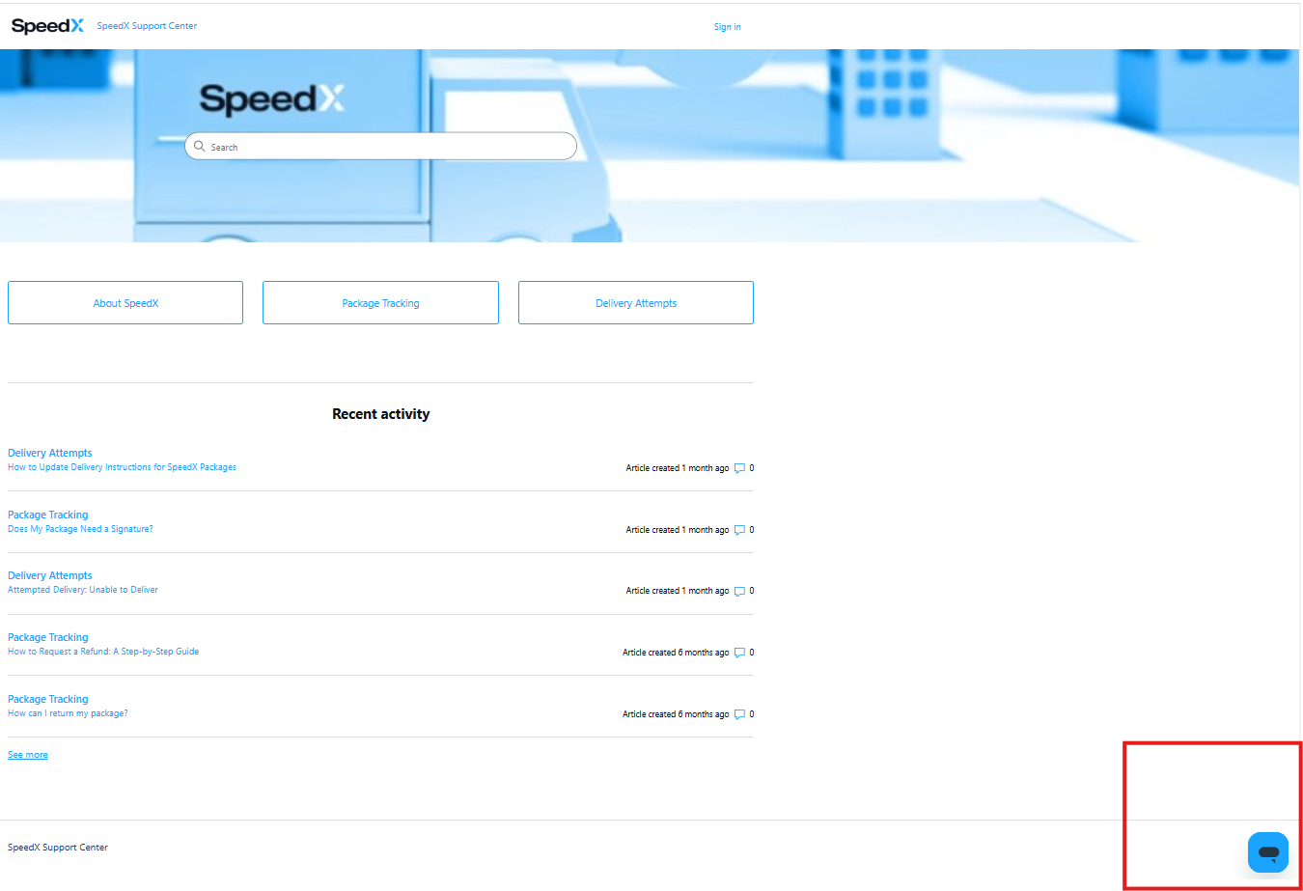
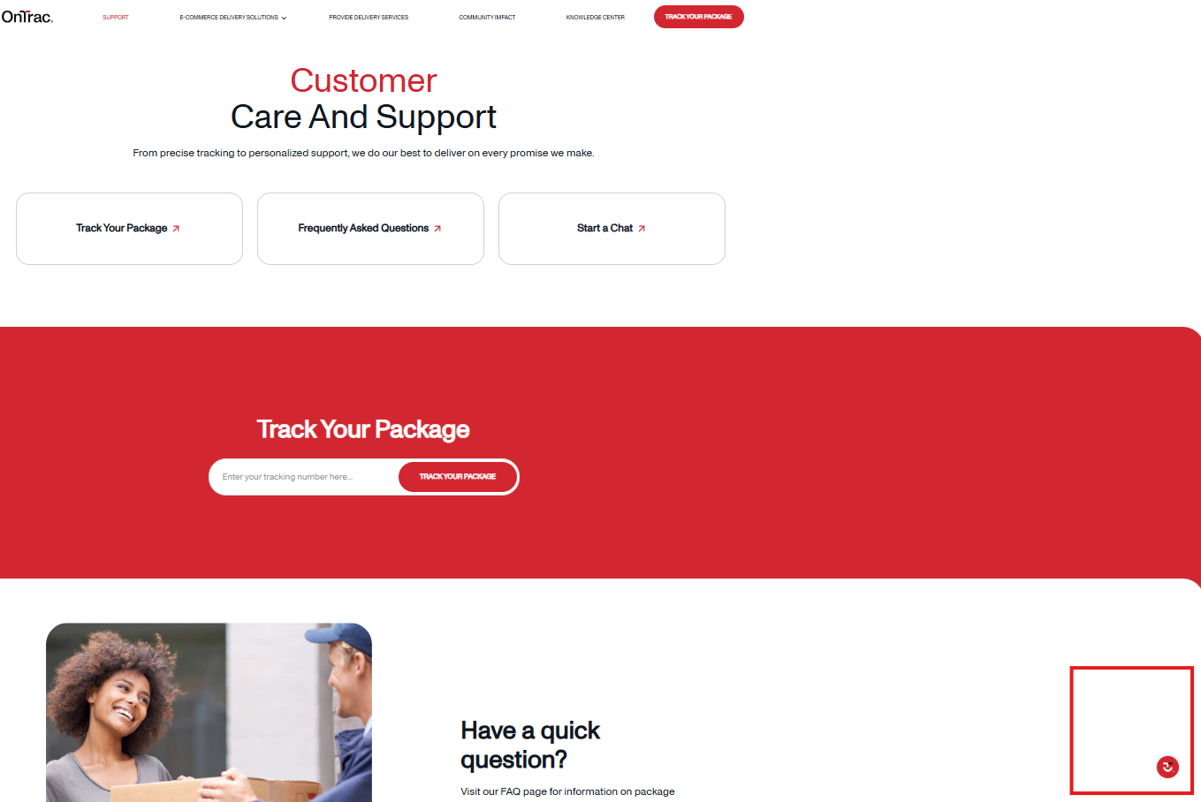
Greeting | Remind/Offer help | Holding | Empathy | Assuring | Closing Statement | Appereciate
Step 1 | Step 1 | Step 1 | Step 1 | Step 1 | Step 1
Hello, welcome to Shein US. My name is Arend. | Might I know your concern so I could assist you better? | Please wait a minutes. I will check the detail of your order | I understand how uncomfortable it is to be in your situation | Are you referring to this order number xxx? | Since there is no response, this chat will be closed automatically. Please feel free to contact us whenever you have any concern. | Thank you for your prompt response
Hello, welcome to Shein US. Arend is here. | However, if it is there is no any update or further information, you could reach us as soon as possible. | I will check on your order, please stay with me on this line. | My sincere apology for the inconvenience it has caused you | Are you referring to these items? (Screenshot) | I hope the information is clear, and thank you for your understanding. | I am glad that I was able to assist you
Hello, Welcome to SHEIN US. This is Arend. |  | Let me check you order detail, please stay online. | I am so sorry to hear that you encountered such an issue regarding your order | Hello customer, are you still with us? | I hope my information is clear, and we are so sorry if it is its not align with your expectation. However, whenever you have any other inquiries or need assistance in the future, please contact us again. Have a good day! | Thank you so much and have a blessed day! 😊
Hello, this is Arend from SHEIN customer service and it's a great pleasure to assist you today and wish you are well and safe 🙌😊 |  | Please kindly stay online, I will check your concern and your order related information first, which may take a few minutes. | I completely understand how frustrating it is and I would feel the same if I was in the same position. |  |  | Thank you so much, and have a nice day! 😊
 |  | Alright. let me check the detail of your order first. | I understand how uncomfortable it is to be in your situation, please allow me to check on the details of your whole order. |  |  | It is my pleasure to be able to help you.
 |  | Alright, please kindly waiting, I am still checking your order. | My sincere apology for the inconvenience it has caused you. Let me check the detail of your order.
Step 2 | Step 2 | Step 2 | Step 2 | Step 2 | Step 2
I hope you're doing great! | Do you have any other concerns that I could assist with? | I still need a few more minutes to check your order detail. Please stay on this line. | Once again, I am so sorry for the difficulty that you are facing | You may click the "Page", like a paper icon, with the "Order" remark on the lower right portion of this window to select and send the order number | I wanted to make sure the confirmation is clear. Please don't hesitate to ask if anything is unclear.
Thank you for contacting SHEIN US. | Is there anything else I could help with? | I'm still checking your order. please wait a moment and stay online. |  | If you don't mind, could you please provide me with your order number so I could assist you better? | I hope the confirmation is clear. Please let me know if you have any questions.
Step 3 | Step 3 | Step 3 | Step 3 | Step 3 | Step 3
It is my pleasure to be able to help you. | Thank you for your understanding, and please let us know if there is anything else we can assist you with. Wishing you a wonderful day! | Thanks a lot for waiting. I do apologize if it's taking too long. | Thank you for your understanding! | Are you sure that the order number you provided is correct ? Because I am not able to find any order under this number. | Thank you very much for your cooperation! If you have no other questions, we'll close the current conversation. Whenever you have any other inquiries or need assistance in the future, please contact us again. Have a good day!
 | Feel free to contact us for further information. | Thank you so much for waiting
 |  | I appreciated your waiting
 |  | Hello, thank you for waiting

 | Suggestion evidence DBNR | Cancel item post awaiting packaging/ shipment | Urge processing | CX gamau logistic company | proof of address | proof of logistic track from the logistic company
 | Regarding of this issue, to assist you better, we suggest you to confirm to the shipping company and take a the statement from them that your package was lost. | We are so sorry to inform you that your package has been wrapped, labeled, and waiting for the logistics company to ship your package. | We are so sorry that we are unable guarantee that the package will arrive at the specified time as you request, however, we have notified our team at the warehouse to smooth the items processing of your order. Since like that, we hope it will arrive sooner than the estimated date. | We would like to explain that our system will automatically calculate to determine the best shipping strategy, aiming to provide you with more efficient delivery services. Please rest assured that we will ensure that your package is shipped as soon as possible and strive to shorten the time you wait to receive your favorite products. | This is the original address you have filled upon checking out the order. Is this correct? | Here is the tracking of your package from the shipping company: |  |  |  |  |  |  |  |  |  |  |  |  |  |  |  |  | Upon checking the detail of your order, it seems your package is still in good track and within estimation time. Please kindly wait until 2025-01-10 - 2025-01-13.
 | Order/ payment detail | Cancel order has been shipped | Urge shipping | except english speaker | Feedback to the shipping company | Wallet does not support | STL = Package lost? by CX |  |  |  | DBNR no work order | Submit work order: |  | DBNR Failed LSP Avidence |  |  | dbnr failed insist wait juga |  | Dbnr failed waiting |  |  | if cancel one item, will not recieve the shipping free anymore | Shipping company report to cx lost... but the logistic track report still transit | dbnr success
 | You could find it on the SHEIN App and search for the “Me” icon, and navigate to “My orders.” and choose the order that what you want. | Since you order has been packed, labeled, and waiting for logistic company to pick up the package, so on this stage the cancellation unable to be made or you cannot undo the order. | We are so sorry that we are unable guarantee that the package will arrive at the specified time that you requested, but we hope it will arrive sooner than the estimated date. However, we have notified the shipping company to smooth the shipping process of your order. | Allow me to reply you in English to avoid misunderstanding. | We are so sorry for the incontinence you had. Regarding this issue, we will feedback the shipping company regarding this issue, thank you for your feedback. | Sorry, your current payment provider did not support refund to shein wallet, so we will refund it to your original payment | Regarding with the concern of your package that you haven’t received, we have processed a full refund for your order to ensure you are not kept waiting any longer since the logistic company still unable to delivery your package even if after the maximum estimated time of delivery. | I would like to inform you that the refund doesn't means to cancel your order, it because the Exceed ETA, you still may will still received your package but we can not make sure the day for you because the shipping company not update their tracking status. | but don't worries, so there is still a possibility that it will reach you In some cases, cause we can't cancel the shipment, so the shipment will be still going, so it have possibilities your package are arrive but we can't guarantee that, and we will take an action to make up for your loss. | 1 | Upon checking the detail of your order, it seems that your package has delivered to your address by the shipping company successfully. | DBNR within 45 days no WO |  | We apologize for the inconvenience. We have verified the delivery of your package again and found that it has indeed been sent from the warehouse as required and marked as delivered by the logistics provider. We will conduct an in-depth tracking review of the package based on the information you provided.Kindly wait for 1-3 working days. |  |  | We are highly suggest you to wait until the investigation by our team regarding this issue around XXX days. | We are genuinely sorry that you've faced such an issue but have no worries as we are here to help you resolve it in an adequate amount of time. | Please kindly until the estimated time of investigation by our team, since the shipping company marked your package as delivered, in contrary you were reporting that you were not receive the package yet. | Since the shipping company marked your package as delivered, in contrary you were reporting that you were not receive the package yet, please kindly wait until XXX investigation by our team. |  | Upon checking the detail of your order, it seems once you wish to cancel one of your item, you will not receive the free shipping. | Since the logistic company report in the logistic track that your package is still arriving. Please just wait until the maximum estimation time at the very first time. | I completely understand that you haven’t received it. I already helped you submit a refund application, and it’s currently being processed. Once the refund is finalized, you’ll get an email confirmation about it. Here are the details: Refund amount: Refund path: original payment account. Refund timeframe: business days
 |  |  | Moreover, you could reach the shipping company to inform about your concern since your package is in shipped stage right now. Here's we provide you the logistic company's contact number: USPS (1)8002221811 |  |  |  | After comprehensive communication with the shipping company, we received confirmation that your package has been returned to us. Rest assured, we are committed to ensuring your satisfaction. This might happen because of several problems, such as the items damaging or missing or a hazardous materials irregularity occurred with this package | Regarding your question, there is still a possibility that it will reach you In some cases, cause we can't cancel the shipment, so the shipment will be still going, so it have possibilities your package are arrive but we can't guarantee that, and we will take an action to make up for your loss. |  | 2 | However, since your package status is delivered but you report that you have not received the package, please allow us to confirm several things: | [show the ss] |  | At SHEIN, our top priority is to provide a smooth shopping experience for all of our customers, and we are committed to ensuring any issues are resolved smoothly. Thank you for your patience and understanding. |  |  | You will receive some update through your email by our team, whenever the verification is over. | we are trying to do that. for now we could only ask you to kindly wait | Any further issue regrading this issue will be notified by our team once it is finish through your email. | We are highly suggest you to wait until maximum time of delivery until January 4th, if you still not receive the package by the end of the day please contact us as soon as possible. |  | Regarding this issue, we are suggest you to cancel order, and repurchased the same items again. | Since the logistic company report in the logistic track that your package is still arriving. Please just wait until the maximum estimation time at the very first time. | I already helped you submit a refund application, and it’s currently being processed. Once the refund is finalized, you’ll get an email confirmation about it. Here are the details: Refund amount: XXX Refund path: SHEIN Wallet. Refund timeframe: 24 hours.
No tracking update in shipping process | Gabisa contact shipping company |  | Nevertheless, if you want to expedite your package in the specific time or if you want to know where the current placement of your package, you could reach the shipping company by the following number: | Costumize item: delay or whatsoever |  | Speed X live chat cs |  |  |  | 3 | Have you check again that the address you filled in the package, is the correct address? |  |  |  | insist/ urge processing step wait ETA/ETA +7 | insist/urge shipping step wait ETA/ETA +7 | Please kindly check your email regularly. However, if you not receive any update during the estimated time, you could reach us immediately. | Your request is still being processed and is expected to require 2 days. please kindly wait for now | Once the verification is finish you will receive an email notification by our related team regarding to this issue. Please kindly check your email regularly. | However, since we have notify the shipping company to smooth the delivery. We hope it will arrive faster than estimated time. |  |  |  | I already helped you submit a refund application, and it’s currently being processed. Once the refund is finalized, you’ll get an email confirmation about it. Here are the details: Refund amount: to SHEIN wallet and original payment account Expected refund time frame: 24 hours (wallet) and XXX business days (original payment account).
Upon checking, since your package already shipped from XXXX and going to next main facility, and we are sorry there is a delay because overloading package during peak sale season. but don't worries we already put an remark to your package shipment , so they will Monitoring your package first to be shipped. | We suggest you to contact them periodically incase they are having some server issue or maybe they put you in queue. |  | Upon checking, your package status is: Scheduled for Delivery. We are sorry to hear that you have not received the package due to the delay from the shipping company. But please don't worry, I have notified our logistics team to urge the delivery. Additionally, we ask for your understanding to give time until XXX for the package. Don't worry, this is just a time frame as you may receive it sooner than that. But if you still did not receive it, please contact us back. | In order to meet the demand of customization items from our customers, the production of customized item takes a certain amount of time, the preparation time of customized item is 4 days longer than that of ordinary items, please be patient. |  | You could also reach them through live chat customer service through clicking by the link below: https://support.speedx.io/hc/en-us | However, we highly suggest you to contact the shipping company, because they report there was no access to your address. You could ask or give any detail to them to smooth the delivery of your package. |  | In this situation since your package is still within estimation time and still in good track, please rely our suggestion to wait until 2025-02-18. Further assistance in case you still not receive the package yet, you could reach us again, once it is surpassed estimation time. Thank you. | 4 | Have you checked the following locations for your package: front door, personal mailbox, building lobby, apartment office, or workplace reception? | Have you checked the following locations for your package: front door, personal mailbox, building lobby, apartment office, or workplace reception? Have you asked your household members or neighbors if they may have sign or received the package on your behalf? |  |  | I have raised your concern to the related department so we could prioritize your delivery once we are able to reach the shipping company. | We have notified our logistics department to process the delivery of your package as soon as possible. We unable guarantee that the package will arrive at the specified time that you requested but we hope it will arrive sooner than the estimated date. Don't worry it is just maximum estimated days, it could be faster than that. | As per checking it's true that your package is reported delivered. Unfortunately we haven't any further information regarding your package, it can be stolen or wrongly sent. | But, Since you are not receiving these items, SHEIN will take fully responsibility to recover your loss and we will provide you with fully refund amount to the original payment now | Once the refund has been completed, you will receive a refund email, which can be viewed with detailed refund information. We appreciate your patience and understanding. |  |  | Sure, if you wish to return the item because you don't want, please reach us immediately once the package already arrive to you so I could help you to assist the refund process.
Currently our related department is trying to reach the shipping company since we are not getting any update regarding your shipping process. I am so sorry to hear that you encountered such an issue regarding your order. and estimation maximum for this case is XXX, and we will do our best to make it sooner, so If you didn't receive your order until the time being please let us know and we will provide you with further assistance to make up for your loss | We suggest you to contact them periodically. But if you unable to reach them please just wait until XXX. While the local courier still thrive to delivery your package |  | Free gift but want to refund | Standard and express shipping regulation |  |  | Applied for return dbnr |  |  | 5 | Have you asked your household members or neighbors if they may have sign or received the package on your behalf? |  |  |  | May we kindly ask you to wait for your package for at least by end of XXXX | We understand this outcome may not align with your expectations that the package should arrive within estimated time, and for that, we are truly sorry. Please give us additional time for local courier to deliver the package until by the end Dec 22. If by any chance after this date you haven’t received the package, we kindly urge you to get in touch with us. | wait eta, sx thing not bn=beed the stuff anyomore
The reason why you are not seeing any movement on your package is because it takes time for the package to travel from international or airport facility to the local distribution center. Before arriving at local distribution center, the shipping status won't update and only shows "Label Created" or "Package Not Yet Received" Please do not worry, the tracking information will be updated upon arrival at the local distribution center. |  |  | We would also like to inform you that some of your items are free gifts, so we are unable to process a refund application. Therefore, we can send points equal to item price compensated to your SHEIN account. We will issue the refund to you the amount of the refund, for every 1 dollar equals to 100 SHEIN points. | Regarding with this concern, we are unable to guarantee the specific date of your package to be delivered as per your request, but please be assured that our team will try to deliver your package as soon as possible but normally the estimated delivery for express is 8-9 days, while for normal/standard is 14-15 days. Even if the logistic provider already expedite the delivery process, the estimated package to receive is still 8-9 days. |  |  | I understand your concern, and I wanted to check if you have received the package. After looking into it, I see that your order is currently listed as "Applied for return." To help you resolve this issue more efficiently, could you please cancel the return request that has been submitted? |  |  | 6 | Alright, thank you for your confirmation. I am processing your order. Please kindly wait a moment. |  |  |  | We'll keep an eye on the delivery of your package to ensure it reaches your address as soon as possible. If you didn't received the package until that time, you can contact us again and we will be happy to assist you further. | We understand regarding this issue. Rest assured, your package will arrive to you, however it is still in shipping process, our related team already in contact with the shipping company, we highly hope for you to kindly wait until 2024-12-25 for we attempt to locate your package | Moreover, we are suggest you to wait until the stuff is delivered to your address, and we will help you to conduct a return process once you wish you don't need the package anymore. |  |  | As per checking your order number was separate delivery, to avoid misleading action we need to follow up with our team to continue your process order in email with our related team. Kindly wait any update in your email periodically within 24 hours. | You will get the response within 24 hours, so your patience will be highly appreciated.
Your order is not missing/lost and please pay attention on the shipping status as it will be updated soon and you will be able to track your package's movement
Apologize for the inconvenience. The package is now on its way to the US, which is why the shipping company has not updated its tracking link. When the package arrives in the US, they will update it and you may check it on your Shein account or this link: |  |  |  |  |  |  |  |  |  |  |  |  |  |  |  |  | Based on our policy, the items will be packed together with these terms : 1. Ordered within 24hours, 2. Sent from the same warehouse. 3. Qualified the volume and weight limits. If your items qualified to those 3 terms, then the items will be delivered to you in one package.
I feel so sorry for the trouble this has caused you. After looking into it, I found that there hasn’t been any update from the shipping carrier. There is a possibility of an issue with the procedures during this process. That is why the shipping company is still unable to update your package.
We are currently in touch with the shipping company to gather information about your order's shipping status, as we have not received any updates. I truly regret the difficulties you are facing with your order.

 |  |  |  |  | International shipping tapi belum di us | If test dbnr again hasil still waiting/ sama [bilang again tunggu sesuai hasil pop up] | Diffrent ETA logistic track n CSP
 |  |  |  | Coupon Code: CARECODE | The package is now on its way to the US, which is why the shipping company has not updated its tracking link. When the package arrives in the US, they will update it. | Thanks a lot for your patience. We do appreciate and apologize if it's taking too long. | We are so sorry for the confusion, please ignore the outdated information form the logistic track website.
 |  |  |  | Requirement: 15% off for orders over $29 | Flow offer coupon awaiting pacakging +5
 |  |  |  | Cap of discount: $10 | 1 | 2 | 3 |  |  |  | Being hold and please contact shipping company (DHL)
 |  | We apologize for the delay in processing your recent order. We're currently experiencing a higher-than-usual volume of orders, coupled with the peak season, which has impacted our processing time: | Since you are our valued customer, I have a coupon for you as a compensation gift, you could use this coupon for your next purchase for more saving | Validity: 60 days | We suggest you to contact them periodically. But if you unable to reach them please just wait until XXX. While the local courier still thrive to delivery your package | We regrettably inform you that your packages is still in our processing stage due to high volume demands orders in our warehouse and peak season of orders traffic. To express our sincere apologies for the delay in processing the packages, we will be issuing a compensation coupon. | Your coupon will start to be valid from the first time you receive it until the next 60 days. Please check it periodically to you SHEIN account for the detail coupon. It is important to be aware that the compensation coupon is valid for a single use only; therefore, ensure that you utilize it prior to its expiration date. |  |  |  | According to the last update on the shipping website, your package is still in transit, and being hold and will be attempted on the planned date. | It would be greatly appreciated if you could contact the shipping company if you have any specific concern related to your package. Logistic Company: DHL Logistic Number: (1)8002255345 | Alternatively, you can request to pick up the package at the nearest facility or please kindly wait for your package to be deliver in 2nd attempt until 2025-02-09 and please urge to contact us if after surpassed that time you still haven’t received the package.

 | dbnr different tracking number (+10 parcel) | tf tier 2 | tf tier 3 | Chat follow up | Escalated manager
 | As per checking your order number was separate delivery, to avoid misleading action we need to follow up with our team to continue your process order in email with our related team. Kindly wait any update in your email periodically within 24 hours. | In order to provide you with better service regarding this matter, we will transfer you to the corresponding department. Please stay on the line. | In order to provide you with better service, we will transfer you to the corresponding department. Please pay attention to your registered | Your concern will be transferred to other departments, and we will reply to you as soon as possible within 24H. Please pay attention to your email :XXXXX | we can't connect you with our supervisor/manager due to our limitation. but no worries, we can share your concern to our supervisor/manager and share the result to you through this chat. please wait a minute |  |  |  |  |  | REASON DELAY IN PROCESSING |  | REASON DELAY AWAITING SHIPMENT |  |  | REASON DELAY IN SHIPPING
 | Our team will help you as soon as possible, so do you want to continue in email ? |  | In order to provide you with better service, we will transfer you to the corresponding department. Please pay attention to your registered email address or please provide us with another email address if you prefer to use another one. You will get the response within 24 hours, so your patience will be highly appreciated. |  |  |  |  |  |  |  | We regrettably inform you that your packages is still in our processing stage due to high volume demands orders in our warehouse and peak season of orders traffic. We have communicated with the related department to ensure the smoothness of your package processing so your package can be ship as soon as possible |  | We regrettably inform you that your packages is already packed, labelled and ready to be pick up by the logistic company. The delay reason due to high volume demands orders in our warehouse and holidays season peak of orders traffic. We have communicated with the related department to ensure the smoothness of your package pick up so your package can be ship as soon as possible |  |  | We regrettably inform you that your packages is still in our shipping stage due to high volume demands orders delivery and peak season of orders traffic. We have communicated with the related department to ensure the smoothness of your package delivery so your package can be delivered as soon as possible.

